TODOS
TODOS
Method | Method Type | is documented ? | Expected Behavior | expected == observed | Observed Behavior | Side Notes | XML & Screenshots
/todos | GET | DOCUMENTED | return all the instances of todo | YES | Returns a to do list with 2 items |  | 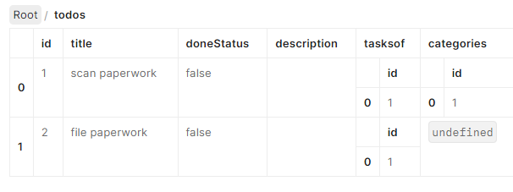
/todos | PUT | UNDOCUMENTED | not allowed | N/A | N/A
/todos | POST | DOCUMENTED | we should be able to create todo without a ID using the field values in the body of the message | NO | Recieved output: title field is mandatory
/todos | DELETE | UNDOCUMENTED | not allowed | N/A | N/A
/todos | OPTIONS | UNDOCUMENTED | not allowed | N/A | N/A
/todos | PATCH | UNDOCUMENTED | not allowed | N/A | N/A
/todos | HEAD | DOCUMENTED | we should be able to create todo without a ID using the field values in the body of the message | NO | No output

TODOS/:id
Method | Method Type | is documented ? | Expected Behavior | expected == observed | Observed Behavior | Side Notes | XML & Screenshots
/todos/1 | GET | DOCUMENTED | return a specific instances of todo using a id | YES | Got 'scan paperwork'
/todos/1 | PUT | DOCUMENTED | amend a specific instances of todo using a id with a body containing the fields to amend | YES | No output
/todos/1 | POST | DOCUMENTED | amend a specific instances of todo using a id with a body containing the fields to amend | YES | Recieved task not completed
/todos/1 | DELETE | DOCUMENTED | delete a specific instances of todo using a id | NO | Error Message | 404 Bad request
/todos/1 | OPTIONS | UNDOCUMENTED | not allowed | N/A | N/A
/todos/1 | PATCH | UNDOCUMENTED | not allowed | N/A | N/A
/todos/1 | HEAD | DOCUMENTED | headers for a specific instances of todo using a id | YES | no output | 200 OK

TODOS/:id/tasksof
Method | Method Type | is documented ? | Expected Behavior | expected == observed | Observed Behavior | Side Notes | XML & Screenshots
/todos/1/tasksof | GET | DOCUMENTED | return all the project items related to todo, with given id, by the relationship named tasksof | YES | N/A |  | 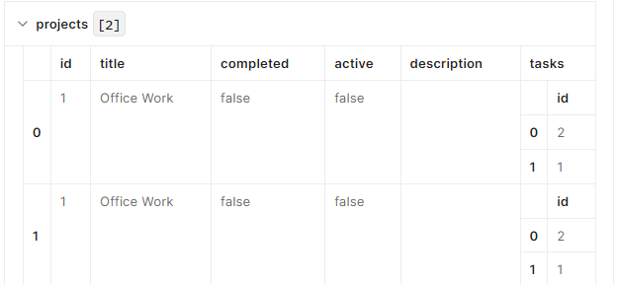
/todos/1/tasksof | PUT | UNDOCUMENTED | not allowed | N/A | Description: Observed Behavior
/todos/1/tasksof | POST | DOCUMENTED | create an instance of a relationship named tasksof between todo instance :id and the project instance represented by the id in the body of the message | NO | Error Message
/todos/1/tasksof | DELETE | UNDOCUMENTED | not allowed | N/A | N/A
/todos/1/tasksof | OPTIONS | UNDOCUMENTED | not allowed | N/A | N/A
/todos/1/tasksof | PATCH | UNDOCUMENTED | not allowed | N/A | N/A
/todos/1/tasksof | HEAD | DOCUMENTED | headers for the project items related to todo, with given id, by the relationship named tasksof | NO | No visible result

TODOS/:id/tasksof/:id
Method | Method Type | is documented ? | Expected Behavior | expected == observed | Observed Behavior | Side Notes | XML & Screenshots
/todos/1/tasksof/1 | GET | UNDOCUMENTED | not allowed | N/A | N/A
/todos/1/tasksof/1 | PUT | UNDOCUMENTED | not allowed | N/A | N/A
/todos/1/tasksof/1 | POST | UNDOCUMENTED | not allowed | N/A | N/A
/todos/1/tasksof/1 | DELETE | DOCUMENTED | delete the instance of the relationship named tasksof between todo and project using the :id | NO | Description: Observed Behavior | Error Message
/todos/1/tasksof/1 | OPTIONS | UNDOCUMENTED | not allowed | N/A | N/A
/todos/1/tasksof/1 | PATCH | UNDOCUMENTED | not allowed | N/A | N/A
/todos/1/tasksof/1 | HEAD | UNDOCUMENTED | not allowed | N/A | N/A

TODOS/:id/categories
Method | Method Type | is documented ? | Expected Behavior | expected == observed | Observed Behavior | Side Notes | XML & Screenshots
/todos/1/categories | GET | DOCUMENTED | return all the category items related to todo, with given id, by the relationship named categories | YES | Returned an office task
/todos/1/categories | PUT | UNDOCUMENTED | not allowed | N/A | N/A
/todos/1/categories | POST | DOCUMENTED | create an instance of a relationship named categories between todo instance :id and the category instance represented by the id in the body of the message | YES | No data shown
/todos/1/categories | DELETE | UNDOCUMENTED | not allowed | N/A | N/A
/todos/1/categories | OPTIONS | UNDOCUMENTED | not allowed | N/A | N/A
/todos/1/categories | PATCH | UNDOCUMENTED | not allowed | N/A | N/A
/todos/1/categories | HEAD | DOCUMENTED | headers for the category items related to todo, with given id, by the relationship named categories | YES | 200 OK

TODOS/:id/categories/:id
Method | Method Type | is documented ? | Expected Behavior | expected == observed | Observed Behavior | Side Notes | XML & Screenshots
/todos/1/categories/1 | GET | UNDOCUMENTED | not allowed | N/A | N/A
/todos/1/categories/1 | PUT | UNDOCUMENTED | not allowed | N/A | N/A
/todos/1/categories/1 | POST | UNDOCUMENTED | not allowed | N/A | N/A
/todos/1/categories/1 | DELETE | DOCUMENTED | delete the instance of the relationship named categories between todo and category using the :id | NO | Error message
/todos/1/categories/1 | OPTIONS | UNDOCUMENTED | not allowed | N/A | N/A
/todos/1/categories/1 | PATCH | UNDOCUMENTED | not allowed | N/A | N/A
/todos/1/categories/1 | HEAD | UNDOCUMENTED | not allowed | N/A | N/A

